Sheet1
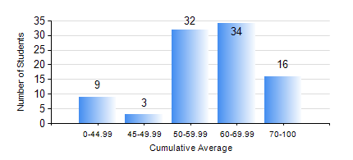
 |  |  | KWAME NKRUMAH UNIVERSITY OF SCIENCE AND TECHNOLOGY, KUMASI Department of Petroleum Engineering

 |  |  | BSC. PETROLEUM ENG.

 |  |  | COMPREHENSIVE RECORD OF EXAMINATION RESULTS

 |  |  | RESULTS OF YEAR 2 FIRST SEMESTER, 2024/2025 ACADEMIC YEAR

 | Sn | Course Code |  | Course Name | Credit Hours | Min. Mark | Max. Mark | Avg. Mark | Std. Dev. | No. Passed | No. Trailed | No. (Df) | No. (I) | No. (I*) | No. Tagged(I,I*,Df) | Total
 | 0. |  |  |  |  |  |  | 0 | 0 | 0 | 0 | 0 | 0 | 0 | 0 | 12
 | 1. | CENG 291 |  | ENGINEERING IN SOCIETY | 2 | 27 | 84 | 72 | 9.5 | 81 | 1 | 0 | 0 | 0 | 0 | 82
 | 2. | MATH 251 |  | DIFFERENTIAL EQUATIONS | 4 | 23 | 95 | 62 | 15.11 | 78 | 4 | 0 | 0 | 0 | 0 | 82
 | 3. | ME 255 |  | STRENGTH OF MATERIALS I | 2 | 16 | 87 | 56 | 15.65 | 77 | 5 | 0 | 0 | 0 | 0 | 82
 | 4. | PE 251 |  | RESERVOIR ENGINEERING I | 3 | 2 | 97 | 52 | 21.81 | 66 | 16 | 0 | 0 | 0 | 0 | 82
 | 5. | PE 253 |  | BASIC GEOLOGY | 2 | 17 | 89 | 70 | 13.12 | 81 | 1 | 0 | 0 | 0 | 0 | 82
 | 6. | PE 255 |  | FLUID MECHANICS | 3 | 10 | 89 | 63 | 14.09 | 77 | 5 | 0 | 0 | 0 | 0 | 82
 | 7. | PE 257 |  | PETROLEUM ENGINEERING THERMODYNAMICS I | 2 | 27 | 95 | 70 | 14.57 | 81 | 1 | 0 | 0 | 0 | 0 | 82
 | 8. | PE 259 |  | SURVIVAL SWIMMING TECHNIQUES | 2 | 0 | 62 | 55 | 7.26 | 81 | 1 | 0 | 0 | 0 | 0 | 82

